Sample Data & PF
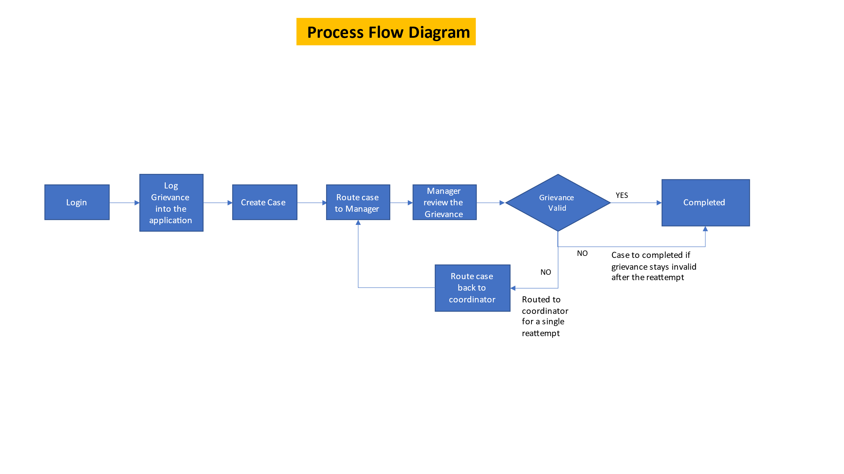
Type of Greviance | Reason for Greviance | Member Details | Member ID | Member Name | Claim ID | Member DOB
Health Plan | Rudness or disrespect by staff |  | 748390381 | Tafi | Roberts | 1967-10-03
 | Enrolment issue |  | 673339478 | Stephen | Brokaw | 1965-03-21
 | Customer Service issue |  | 773891204 | Octavia | Fludd | 1971-09-02
Provider | Timeliness of Service |  | 847369890 | Judy | Mata | 1966-05-13
 | Quality of Service |  | 611287456 | Martha | Gonzalez | 1972-10-08
Payment | General Dissatisfaction
 | Change in Premium

Process Flow:

